Sheet1
CASE 2–1 Maynard Company (A)* Diane Maynard made the following request of a friend: My bookkeeper has quit, and I need to see the balance sheets of my company. He has left behind a book with the numbers already entered in it. Would you be willing to prepare balance sheets for me? Also, any comments you care to make about the numbers would be appreciated. The Cash account is healthy, which is a good sign, and he has told me that the net income in June was $19,635. The book contained a detailed record of transactions, and from it the friend was able to copy off the balances at the beginning of the month and at the end of the month as shown in Exhibit 1. Diane Maynard owned all the stock of Maynard Company. At the end of June, Diane Maynard paid herself an $11,700 dividend and used the money to repay her loan from the company. Questions 1. Prepare balance sheets as of June 1 and as of June 30, in proper format. 2. Make comments about how the financial condition as of the end of June compared with that at the beginning of June. 3. Why do retained earnings not increase by the amount of June net income? 4. As of June 30, do you feel that Maynard Company is worth the amount in Shareholder’s Equity, $619,446? Explain |  |  |  |  |  |  |  |  |  | Diane Maynard was grateful for the balance sheets that her friend prepared [see Maynard Company (A)]. In going over the numbers, she remarked, “It’s sort of surprising that cash increased by $31,677, but net income was only $19,635. Why was that?” Her friend replied, “A partial answer to that question is to look at an income statement for June. I think I can find the data I need to prepare one for you.” In addition to the data given in the (A) case, her friend found a record of cash receipts and disbursements, which is summarized in Exhibit 1. She also learned that all accounts payable were to vendors for purchase of merchandise inventory and that cost of sales was $39,345 in June. Questions 1. Prepare an income statement for June in proper format. Explain the derivation of each item on this statement, including cost of sales. 2. Explain why the change in the cash balance was greater than the net income. 3. Explain why the following amounts are incorrect cost of sales amounts for June: (a) $14,715 and (b) $36,030. Under what circumstances would these amounts be correct cost of sales amounts?

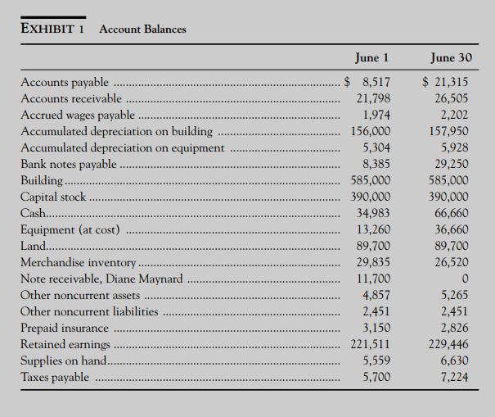
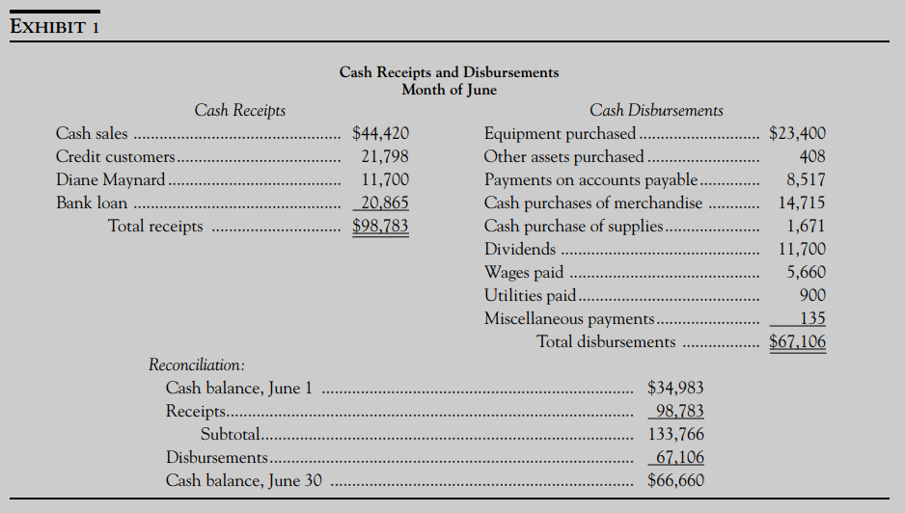

 | Assets |  |  |  | Equity and Liabilities
 |  | Workings | Jun-01 | Jun-30 |  | Workings | Jun-01 | Jun-30
 | Fixed Assets |  |  |  | Equity
 | Buildings | 585000 |  |  | Capital Stock | 390000
 | - Accumulated Depreciation | 156000 | 429000 |  | Retained Earnings | 221511 | 611511
 | Buildings | 585000 |  |  | Capital Stock | 390000
 | - Accumulated Depreciation | 157950 |  | 427050 | Retained Earnings | 229446 |  | 619446
 | Equipment | 13260 |  |  | Long term Liabilities
 | - Accumulated Depreciation | 5304 | 7956 |  | Bank Notes Payable |  | 8385 | 29250
 | Equipment | 36660 |  |  | Other Non Current Liability |  | 2451 | 2451
 | - Accumulated Depreciation | 5928 |  | 30732
 | Land |  | 89700 | 89700 | Current Liabilities
 | Other Non Current assets |  | 4857 | 5265 | Accounts Payable |  | 8517 | 21315
 | Investments |  |  |  | Accrues Wages Payable |  | 1974 | 2202
 | Nil |  |  |  | Taxes Payable |  | 5700 | 7224
 | Current Assets
 | Accounts Receivable |  | 21798 | 26505
 | Cash |  | 34983 | 66660
 | Inventory |  | 29835 | 26520
 | Notes Receivable D.M |  | 11700
 | Pre Paid Insurance |  | 3150 | 2826
 | Supplies on Hand |  | 5559 | 6630
 |  |  | 638538 | 681888 |  |  | 638538 | 681888

 | WN 1 - Net profit |  | WN2 - Sales |  | WN3 - Purchases |  | WN4 - COGS
 | Closing Balance of Retained Earnings | 229446 | Cash sales | 44420 | Op Balance of Accounts Payable | 8517 | Opening Inventory | 29835
 | -Opening balance of Retained Earnings | 221511 | Op bal of Accounts Receivebles | 21798 | Cash paid | 8517 | +Purchases | 36030
 | Difference=Net Profit | 7935 | Cash received from Customers | 21798 | Closing blance supposed to be | 0 | -Closing balance of Inventory | 26520
 |  |  | Closing blance supposed to be | 0 | Actual Closing blance = Credit Purchases | 21315 | cost of Goods sold (COGS)= Expense in P&L acc | 39345
 | Closing Balance of Retained earnings after Dividend Payment | 229446 | Actual Closing balance = Credit sales | 26505 | Cash Purchases | 14715
 | +Dividend payment | 11700 | Total sales= Income in P&L account | 70925 | Total purchase | 36030
 | Closing balance Of Retained earnings before dividend | 241146
 | -Opening balance of Retained earnings | 221511
 | Net Profit for the month | 19635

 | WN 5 - Depreciation building |  | WN 6 - Depreciation Equipments |  | WN7 - Other non current assets |  | WN8 - Equipments
 | Closing balance of Accumulated depreciation on Buildings | 157950 | Closing balance of Accumulated depreciation on Equipment | 5928 | Opening Balance of other non current assets | 4857 | Opening Balance of Equipments | 13260
 | - opening balance of Accumulated depreciation | 156000 | - op balance of Accumulated depreciation | 5304 | +other assets purchased | 408 | +Equipment purchased | 23400
 | Depreciation for the month = expense in P&L account | 1950 | Depreciation for the month = expense in P&L account | 624 | =Opening Balance of other non current assets | 5265 | =Closing balance of Equipments | 36660

 | WN 9- Prepaid insurance |  | WN 10 - Supplies |  | WN 11 - Bank notes payable |  | WN 12 - Wages |  | WN 13 - TAX
 | Opening Balance of prepaid insurance | 3150 | Opening balance of supplies | 5559 | Opening balance of Bank notes payable | 8385
 | - Closing balance of prepaid insurance | 2826 | +Purchase of supplies | 1671 | +loan taken | 20865
 | Insurance Expenses for the month in P&L | 324 | - closing balance of supplies | 6630 | = Opening balance of Bank notes payable | 29250
 |  |  | Supplies used in the month = expense in P&L account | 600

